Dashboard
147,348
1,339
110.04
5,940
 | Male | Female
 | 20.34% | 79.66%
 | 55.97% | 44.03%
Sales in Seoul area are 1260(10,000,000 won)
 | Gwangju | Daegu | Daejeon | Ulsan | Incheon | Seoul | gyeonggi-do
Sales Amount | 117131 | 70626 | 253075 | 404501 | 738526 | 1020614 | 1009694
max column | 51030.7 | 51030.7 | 51030.7 | 51030.7 | 51030.7 | 51030.7 | 50484.7
minus | 1311728.6 | 1358233.6 | 1175784.6 | 1024358.6 | 690333.6 | 408245.6 | 403877.6
Total Sales (10,000won)
Total Employees
Sales per Employees
Total Customers

12
12% of Sales are home appliances and
88% are furniture
Seoul
Home Appliance | 89%
Furniture | 51%

The average customer
Satisfaction is 54%
The branch with the
largest sales is Seoul27,
Followed by Game5
The branch with the largest
number of customer(1,000) is
Seoul27, followed by Game 5

 | Sum of Sales Amount
Sejong 6 | 147
Seoul24 | 165
Daejeon18 | 174
Game 18 | 224
Ulsan16 | 350
Incheon9 | 666
Game 5 | 666
Seoul27 | 775
 | Sum of Total number of customers
Sejong 6 | 18
Seoul5 | 27
Game 18 | 27
Daejeon18 | 32
Gyeongbuk 3 | 33
Incheon9 | 40
Game 5 | 40
Seoul27 | 82
 | Background | value
10 | 10 | 10
20 | 10 | 10
30 | 10 | 10
40 | 10 | 10
50 | 10 | 5.2048963453
60 | 10 | 0
70 | 10 | 0
80 | 10 | 0
90 | 10 | 0
100 | 10 | 0

CustomerbyBranch
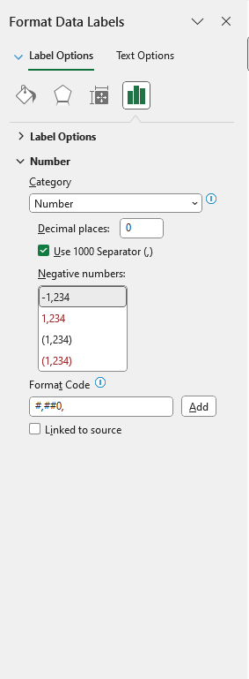
Row Labels | Sum of Total number of customers | Row Labels | Sum of Total number of customers
Seoul27 | 82 | Sejong 6 | 18
Incheon9 | 40 | Seoul5 | 27
Game 5 | 40 | Game 18 | 27
Gyeongbuk 3 | 33 | Daejeon18 | 32
Daejeon18 | 32 | Gyeongbuk 3 | 33
Game 18 | 27 | Incheon9 | 40
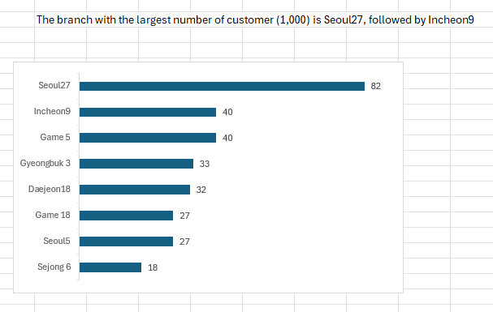
Seoul5 | 27 | Game 5 | 40
Sejong 6 | 18 | Seoul27 | 82
Tip: To modify the number format of the data labels in the chart, use the menu shown on the right.
Ulsan16 | 15
Daegu14 | 14
Game 12 | 13
Incheon8 | 11
Game 4 | 11
Daejeon2 | 10
Gyeongbuk 4 | 9
Tip: To create a bar chart in the order shown on the right, you need to sort it in ascending order.
Gwangju1 | 8
Gyeongnam 6 | 8
Gwangju15 | 8
Daejeon1 | 8
Gangwon 5 | 7
Seoul28 | 7
Busan 6 | 7
Seoul14 | 7
Gangwon 10 | 7
Chungbuk 4 | 6
Daejeon7 | 6
Jeonnam 8 | 6
Daegu24 | 6
Gyeongnam 5 | 6
Gwangju14 | 6
Chungnam 4 | 5
Incheon12 | 5
Gwangju10 | 5
Game 7 | 5
Seoul24 | 5
Seoul19 | 5
Busan 10 | 5
Busan 5 | 5
Jeju 7 | 5
Game 11 | 5
Game 10 | 5
Incheon14 | 4
Busan 4 | 4
Gyeongnam 4 | 4
Daegu23 | 4
Incheon13 | 4
Gwangju9 | 4
Seoul13 | 4
Jeju 6 | 4
Incheon2 | 4
Daegu19 | 4
Chungbuk 7 | 3
Seoul30 | 3
Daegu20 | 3
Gyeongbuk 6 | 3
Seoul17 | 3
Seoul10 | 3
Gwangju6 | 3
Gyeongnam 2 | 3
Incheon11 | 3
Ulsan13 | 3
Seoul2 | 3
Game 13 | 3
Jeonbuk 11 | 2
Gwangju3 | 2
Jeonnam 9 | 2
Chungbuk 2 | 2
Busan 11 | 2
Chungnam 2 | 2
Game 3 | 2
Ulsan6 | 2
Jeonnam 4 | 2
Daejeon5 | 2
Daejeon14 | 2
Chungbuk 13 | 2
Daegu22 | 2
Incheon7 | 2
Game 14 | 2
Gyeongnam 7 | 2
Daejeon16 | 2
Daejeon4 | 2
Gangwon 9 | 1
Seoul16 | 1
Busan 8 | 1
Game 8 | 1
Game 1 | 1
Seoul4 | 1
Incheon20 | 1
Daejeon6 | 1
Seoul23 | 1
Daegu15 | 1
Incheon15 | 1
Incheon16 | 1
Jeju 4 | 1
Ulsan15 | 1
Incheon3 | 1
Chungbuk 1 | 1
Gangwon 8 | 1
Jeonbuk 5 | 1
Game 6 | 1
Gyeongnam 3 | 1
Game 9 | 1
Jeju 9 | 1
Chungbuk 9 | 1
Incheon10 | 1
Gwangju7 | 1
Ulsan5 | 1
Daejeon10 | 1
Gyeongbuk 8 | 1
Ulsan18 | 1
Daegu10 | 1
Incheon21 | 1
Gwangju17 | 1
Incheon4 | 1
Game 27 | 1
Jeju 8 | 1
Seoul12 | 1
Daejeon11 | 1
Seoul15 | 1
Jeonbuk 7 | 1
Daegu7 | 1
Game 28 | 1
Busan 17 | 1
Gyeongnam 9 | 1
Seoul1 | 1
Chungbuk 3 | 1
Ulsan4 | 1
Seoul21 | 1
Chungbuk 8 | 1
Chungbuk 6 | 1
Seoul3 | 1
Gwangju2 | 1
Gyeongnam 8 | 1
Incheon6 | 1
Daegu4 | 1
Jeonbuk 1 | 1
Daejeon9 | 1
Jeonbuk 9 | 1
Game 2 | 1
Gyeongnam 1 | 1
Ulsan2 | 1
Seoul8 | 1
Gwangju16 | 1
Seoul29 | 1
Seoul20 | 1
Gangwon 3 | 1
Gwangju4 | 1
Game 23 | 1
Ulsan1 | 1
Busan 9 | 1
Incheon1 | 1
Ulsan7 | 1
Daejeon17 | 1
Chungnam 3 | 1
Gyeongnam 12 | 1
Daejeon12 | 1
Chungbuk 11 | 1
Ulsan21 | 1
Ulsan3 | 1
Sejong 5 | 1
Daegu6 | 1
Gwangju5 | 1
Busan 12 | 1
Gwangju12 | 1
Jeonbuk 6 | 1
Chungbuk 14 | 1
Seoul7 | 1
Ulsan11 | 1
Gangwon 1 | 1
Gangwon 6 | 1
Jeonnam 2 | 1
Gyeongbuk 5 | 1
Gyeongbuk 1 | 1
Daegu13 | 1
Ulsan8 | 1
Gyeongbuk 7 | 1
Daegu21 | 1
Game 16 | 1
Seoul22 | 1
Seoul6 | 1
Chungbuk 12 | 1
Daejeon13 | 1
Ulsan12 | 1
Chungbuk 16 | 1
Gyeongnam 10 | 1
Ulsan10 | 1
Gyeongbuk 2 | 1
Daegu1 | 1
Chungnam 6 | 1
Busan 1 | 1
Busan 14 | 1
Seoul18 | 1
Daegu9 | 1
Game 26 | 1
Daegu18 | 1
Sejong 1 | 1
Gwangju13 | 1
Jeonbuk 4 | 1
Daegu2 | 1
Jeonnam 11 | 1
Daegu16 | 1
Busan 2 | 1
Chungnam 7 | 1
Busan 13 | 1
Seoul31 | 1
Seoul9 | 1
Daejeon15 | 0
Incheon22 | 0
Ulsan19 | 0
Gwangju8 | 0
Gwangju11 | 0
Incheon19 | 0
Game 19 | 0
Daegu5 | 0
Gyeongnam 11 | 0
Jeonnam 10 | 0
Ulsan9 | 0
Chungbuk 15 | 0
Incheon17 | 0
Jeonbuk 3 | 0
Jeju 5 | 0
Chungnam 8 | 0
Chungnam 1 | 0
Jeju 10 | 0
Chungnam 9 | 0
Seoul34 | 0
Ulsan14 | 0
Jeonbuk 10 | 0
Daejeon3 | 0
Daejeon19 | 0
Chungnam 5 | 0
Ulsan20 | 0
Busan 15 | 0
Seoul25 | 0
Daegu17 | 0
Gangwon 4 | 0
Jeonnam 7 | 0
Seoul11 | 0
Chungbuk 10 | 0
Incheon5 | 0
Gangwon 2 | 0
Jeonnam 5 | 0
Jeju 1 | 0
Jeonnam 12 | 0
Daegu3 | 0
Seoul26 | 0
Ulsan17 | 0
Game 25 | 0
Jeju 11 | 0
Game 20 | 0
Jeonnam 6 | 0
Busan 7 | 0
Busan 19 | 0
Jeonnam 1 | 0
Gangwon 7 | 0
Chungbuk 5 | 0
Jeonbuk 8 | 0
Game 17 | 0
Daegu8 | 0
Jeonbuk 12 | 0
Busan 3 | 0
Daegu12 | 0
Jeonnam 3 | 0
Sejong 7 | 0
Sejong 11 | 0
Daejeon8 | 0
Seoul33 | 0
Sejong 4 | 0
Sejong 2 | 0
Jeonbuk 2 | 0
Busan 21 | 0
Sejong 9 | 0
Daegu11 | 0
Busan 20 | 0
Jeju 2 | 0
Game 22 | 0
Sejong 3 | 0
Jeju 3 | 0
Seoul32 | 0
Busan 18 | 0
Sejong 10 | 0
Busan 16 | 0
Incheon18 | 0
Game 15 | 0
Sejong 8 | 0
Game 21 | 0
Game 24 | 0
Grand Total | 782

SalesbyBranch
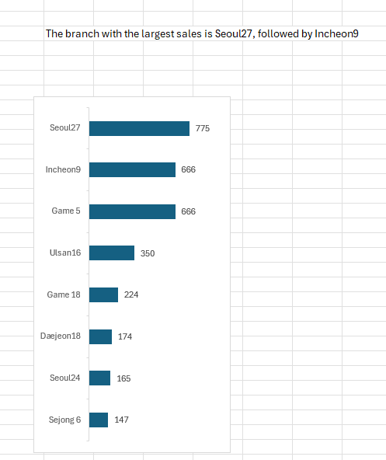
Row Labels | Sum of Sales Amount | Row Labels | Sum of Sales Amount
Seoul27 | 775 | Sejong 6 | 147
Incheon9 | 666 | Seoul24 | 165
Game 5 | 666 | Daejeon18 | 174
Ulsan16 | 350 | Game 18 | 224
Game 18 | 224 | Ulsan16 | 350
Daejeon18 | 174 | Incheon9 | 666
Seoul24 | 165 | Game 5 | 666
Sejong 6 | 147 | Seoul27 | 775
Seoul5 | 85
Chungnam 4 | 75
Busan 10 | 74
Daejeon2 | 41
Gyeongbuk 3 | 40
Game 11 | 39
Daegu14 | 38
Jeonnam 8 | 34
Seoul30 | 33
Gwangju1 | 33
Gwangju15 | 33
Gyeongbuk 4 | 32
Daejeon7 | 31
Chungbuk 4 | 31
Gwangju14 | 30
Daejeon1 | 30
Gangwon 5 | 30
Incheon8 | 29
Game 4 | 29
Gyeongnam 4 | 28
Daegu23 | 28
Tip: To create a bar chart in the order shown on the right, you need to sort it in ascending order.
Gyeongnam 6 | 28
Incheon12 | 27
Gwangju9 | 25
Seoul14 | 24
Jeonbuk 5 | 22
Tip: To modify the number format of the data labels in the chart, use the menu shown on the right.
Seoul19 | 21
Busan 4 | 21
Gwangju3 | 21
Game 13 | 20
Gwangju10 | 20
Daegu24 | 20
Gyeongnam 5 | 20
Busan 5 | 19
Game 10 | 19
Seoul17 | 19
Incheon13 | 18
Daegu19 | 17
Gyeongnam 2 | 17
Jeju 7 | 15
Seoul28 | 15
Busan 6 | 15
Gyeongnam 7 | 15
Game 3 | 15
Seoul2 | 15
Daejeon14 | 15
Chungbuk 13 | 15
Seoul4 | 14
Jeju 6 | 14
Incheon2 | 13
Incheon7 | 12
Seoul13 | 12
Game 7 | 12
Ulsan13 | 12
Game 1 | 12
Gyeongbuk 8 | 11
Ulsan7 | 10
Daegu22 | 10
Ulsan6 | 10
Jeonbuk 11 | 10
Seoul34 | 10
Daegu20 | 9
Gyeongbuk 6 | 9
Incheon21 | 9
Seoul10 | 9
Incheon3 | 9
Jeonnam 9 | 8
Ulsan18 | 8
Chungbuk 7 | 8
Incheon14 | 8
Daejeon17 | 8
Chungnam 3 | 8
Ulsan4 | 8
Chungnam 2 | 7
Incheon1 | 7
Incheon16 | 7
Jeju 8 | 7
Jeju 4 | 7
Chungbuk 9 | 7
Chungbuk 1 | 6
Jeonnam 4 | 6
Incheon6 | 6
Gangwon 1 | 6
Game 22 | 6
Daegu6 | 6
Daejeon16 | 6
Ulsan19 | 6
Daegu10 | 6
Gyeongnam 3 | 6
Seoul15 | 5
Seoul23 | 5
Ulsan5 | 5
Game 2 | 5
Daejeon11 | 5
Seoul7 | 5
Ulsan2 | 5
Jeju 5 | 5
Jeonbuk 6 | 5
Gangwon 8 | 5
Gwangju17 | 5
Game 14 | 5
Gangwon 9 | 5
Busan 11 | 5
Ulsan15 | 5
Busan 8 | 5
Daejeon4 | 5
Seoul12 | 5
Incheon11 | 5
Jeju 9 | 4
Daejeon10 | 4
Daegu15 | 4
Seoul8 | 4
Daejeon6 | 4
Gwangju5 | 4
Incheon20 | 4
Chungbuk 6 | 4
Gwangju12 | 4
Gyeongnam 1 | 4
Incheon15 | 4
Busan 17 | 4
Game 9 | 4
Game 17 | 4
Chungbuk 8 | 4
Game 6 | 4
Sejong 5 | 4
Seoul3 | 4
Daegu18 | 4
Seoul20 | 4
Seoul21 | 4
Daejeon9 | 4
Incheon10 | 4
Jeonbuk 8 | 4
Daegu8 | 4
Gyeongbuk 2 | 4
Gwangju6 | 4
Jeonbuk 4 | 4
Gangwon 10 | 4
Daegu11 | 3
Daegu4 | 3
Jeonbuk 1 | 3
Gyeongbuk 7 | 3
Daegu21 | 3
Jeonbuk 10 | 3
Incheon4 | 3
Game 19 | 3
Chungbuk 2 | 3
Daegu9 | 3
Game 26 | 3
Gwangju2 | 3
Gyeongnam 8 | 3
Jeonnam 1 | 3
Gwangju7 | 3
Daegu7 | 3
Jeonbuk 7 | 3
Ulsan11 | 3
Ulsan3 | 3
Sejong 1 | 3
Game 12 | 3
Gwangju11 | 3
Seoul1 | 3
Busan 9 | 3
Daejeon15 | 3
Ulsan21 | 3
Gyeongbuk 5 | 3
Gwangju16 | 3
Incheon17 | 3
Seoul22 | 3
Game 23 | 3
Ulsan12 | 3
Gwangju4 | 3
Daejeon13 | 3
Chungbuk 12 | 3
Seoul18 | 3
Gangwon 6 | 3
Chungbuk 14 | 3
Jeonbuk 9 | 3
Daegu1 | 3
Chungnam 6 | 3
Chungbuk 3 | 3
Seoul16 | 3
Gyeongnam 12 | 3
Seoul6 | 3
Ulsan1 | 2
Incheon19 | 2
Gyeongbuk 1 | 2
Gyeongnam 11 | 2
Chungbuk 16 | 2
Gyeongnam 9 | 2
Chungbuk 5 | 2
Gwangju13 | 2
Daejeon8 | 2
Gyeongnam 10 | 2
Chungnam 7 | 2
Game 28 | 2
Ulsan8 | 2
Gwangju8 | 2
Daegu13 | 2
Busan 19 | 2
Seoul29 | 2
Jeonbuk 12 | 2
Incheon5 | 2
Jeonbuk 3 | 2
Chungnam 1 | 2
Daegu5 | 2
Ulsan9 | 2
Busan 2 | 2
Daegu2 | 2
Jeju 10 | 2
Gangwon 3 | 2
Seoul9 | 2
Sejong 4 | 2
Chungnam 9 | 2
Ulsan14 | 2
Chungbuk 15 | 2
Jeonnam 2 | 2
Daegu16 | 2
Jeonnam 11 | 2
Daegu17 | 2
Jeonnam 5 | 2
Chungbuk 10 | 2
Chungnam 8 | 2
Ulsan20 | 2
Seoul25 | 2
Seoul33 | 2
Chungnam 5 | 2
Daejeon19 | 2
Seoul11 | 2
Jeonnam 6 | 2
Jeonnam 3 | 2
Daegu12 | 2
Seoul31 | 2
Busan 1 | 2
Jeonbuk 2 | 1
Sejong 2 | 1
Gangwon 2 | 1
Daegu3 | 1
Chungbuk 11 | 1
Daejeon12 | 1
Jeonnam 10 | 1
Seoul26 | 1
Game 20 | 1
Busan 3 | 1
Busan 20 | 1
Jeonnam 12 | 1
Daejeon3 | 1
Busan 12 | 1
Daejeon5 | 1
Busan 7 | 1
Ulsan10 | 1
Game 8 | 1
Busan 13 | 1
Jeonnam 7 | 1
Busan 15 | 1
Seoul32 | 1
Jeju 1 | 1
Busan 21 | 1
Ulsan17 | 1
Busan 14 | 1
Incheon22 | 1
Game 27 | 1
Sejong 3 | 1
Sejong 11 | 1
Game 25 | 1
Jeju 11 | 1
Busan 18 | 1
Sejong 7 | 1
Gangwon 7 | 1
Sejong 10 | 1
Sejong 9 | 0
Jeju 3 | 0
Sejong 8 | 0
Gangwon 4 | 0
Game 24 | 0
Busan 16 | 0
Game 21 | 0
Incheon18 | 0
Game 15 | 0
Game 16 | 0
Jeju 2 | 0
Grand Total | 5,342

Top7Sales(Amount)byRegion
Row Labels | Sum of Sales Amount
Gwangju | 70,626
Daegu | 117,131
Daejeon | 253,075
Ulsan | 404,501
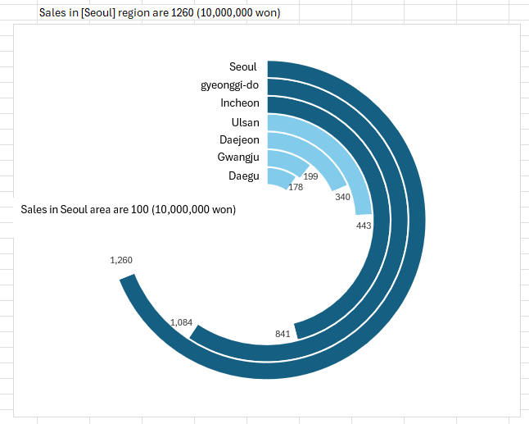
Incheon | 738,526
Seoul | 1,009,694
Sales in [Seoul] region are 1260(10,000,000 won)
gyeonggi-do | 1,020,614
Grand Total | 3,614
Sales in Seoul area are 1260(10,000,000 won)

gyeonggi-do

Region | Sales Amount | max column | minus
Gwangju | 117 | 51030.7 | 1311728.6
Daegu | 71 | 51030.7 | 1358233.6
Daejeon | 253 | 51030.7 | 1175784.6
Ulsan | 405 | 51030.7 | 1024358.6
Incheon | 739 | 51030.7 | 690333.6
Seoul | 1,021 | 51030.7 | 408245.6
gyeonggi-do | 1,010 | 50484.7 | 403877.6

Sales(Amount) by category
Sum of Home appliance sales (Unit) | Sum of Total sales (Unit) | Sum of Furniture sales Amount | Sum of Furniture Sales (Unit)
48,498 | 54,702 | 12,282 | 6,204 | Sum of Furniture Sales (Unit) | Sum of Furniture sales Amount | Sum of Home appliance sales (Unit) | Sum of Home appliance sales amount | Sum of Furniture inventory (Unit)
 |  |  |  | 75,140 | 616,870 | 566,440 | 4,724,958 | 8,629

 |  |  |  |  | Sum of Total sales (Unit) | Sum of Home appliance sales (Unit)
 |  |  |  |  | 641,580 | 566,440
Home Appliance | Furniture
89% | 51%

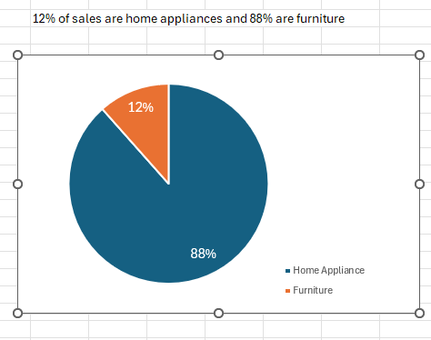

12% of sales are home appliances and 88% are furniture

 |  |  |  |  |  | 0.88288288288

Satisfaction
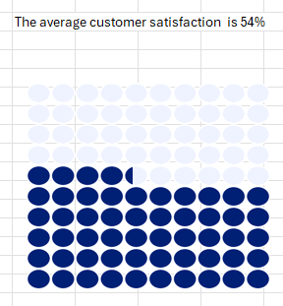
Average of Customer Satisfaction (%)
45 |  | 45.204896345

0 | value | Background
10 | 10 | 10
20 | 10 | 10
30 | 10 | 10
40 | 10 | 10
50 | 5.2048963453 | 10
60 | 0 | 10
70 | 0 | 10
80 | 0 | 10
90 | 0 | 10
100 | 0 | 10

Customer
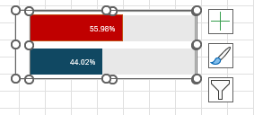
Sum of Customer (female) | Sum of Customer (male) | Sum of Total number of customers
4,732 | 1,208 | 5,940

Bar chart
Male | 20.34% | 55.97%
Female | 79.66% | 44.03%

Total cutomers | 5,940

